How to Play
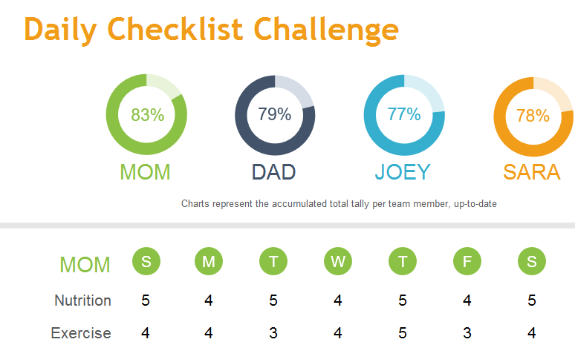
1
Daily Checklist Challenge
 | How to play:
 | 1 | Gather your team (family, friends, neighbors, etc.). Four players max.
2
 | 2 | Type in the names of each player.
3
 | 3 | Decide on the goals you'd like to try to accomplish on a daily basis. Each person will work toward these same goals.
4
 | 4 | Type goals under each person's name.
 |  | *Note that the goals should be something you can accomplish on a scale of 1-5.
 |  | If you eat well all day, you get 5. If you sneak a treat, you get 4. And so on.
5
 | 5 | Click "Share" in the upper-right corner to share document with team members.
6
 | 6 | Each day your players log in to the shared doc and enter the score they feel they deserve.
7
 | 7 | Watch the charts to see who's winning at the end of each day.
8
 | 8 | At the end of the week, click over to Week 2 and fill out names/goals again.
9
 | 9 | Repeat for as many weeks as you'd like your challenge to last.

Week 1
 | 36%
 | 64%
 | 35%
 | 65%
Daily Checklist Challenge
 | 22% |  | 36% |  | 36% |  | 35%
 | 78% |  | 64% |  | 64% |  | 65%

 | MOM |  | DAD |  | JOEY |  | SARA
 | Enter a score between 0 and 5 for each checklist item. Charts represent the up-to-date, accumulated total tally per team member.

S
M
T
W
T
F
S
MOM | S | M | T | W | T | F | S
Nutrition | 5 | 4 | 5 | 4 | 5 | 5 | 5
Exercise | 4 | 3 | 3 | 5 | 5 | 5 | 5
Less TV | 4 | 4 | 3 | 5 | 5 | 5 | 5
Sleep | 4 | 5 | 5 | 5 | 5 | 5 | 5
Acts of Kindness | 4 | 3 | 3 | 5 | 5 | 5 | 5
 |  |  |  |  |  |  | 5
S
M
T
W
T
F
S
DAD | S | M | T | W | T | F | S
Nutrition | 5 | 5 | 5 | 5 | 1 | 5 | 2
Exercise | 3 | 5 | 4 | 3 | 4 | 5 | 3
Less TV | 4 | 5 | 5 | 4 | 3 | 3 | 3
Sleep | 4 | 4 | 4 | 3 | 4 | 5 | 4
Acts of Kindness | 3 | 4 | 3 | 4 | 3 | 4 | 3

S
M
T
W
T
F
S
JOEY | S | M | T | W | T | F | S
Nutrition | 4 | 3 | 3 | 4 | 5 | 4 | 4
Exercise | 3 | 5 | 5 | 5 | 5 | 5 | 3
Less TV | 2 | 4 | 3 | 3 | 3 | 4 | 4
Sleep | 4 | 5 | 5 | 5 | 5 | 4 | 5
Acts of Kindness | 4 | 3 | 2 | 2 | 3 | 2 | 4

S
M
T
W
T
F
S
SARA | S | M | T | W | T | F | S
Nutrition | 5 | 5 | 5 | 5 | 5 | 5 | 5
Exercise | 2 | 3 | 4 | 4 | 3 | 4 | 4
Less TV | 3 | 4 | 5 | 5 | 4 | 2 | 2
Sleep | 4 | 4 | 4 | 3 | 5 | 4 | 4
Acts of Kindness | 4 | 3 | 4 | 3 | 4 | 3 | 3

Week 2
 | 100%
 | 0%
 | 100%
 | 0%
Daily Checklist Challenge
 | 100% |  | 100% |  | 100% |  | 100%
 | 0% |  | 0% |  | 0% |  | 0%

 | MOM |  | DAD |  | JOEY |  | SARA
 | Enter a score between 0 and 5 for each checklist item. Charts represent the up-to-date, accumulated total tally per team member.

S
M
T
W
T
F
S
MOM | S | M | T | W | T | F | S
Nutrition
Exercise
Less TV
Sleep
Acts of Kindness

S
M
T
W
T
F
S
DAD | S | M | T | W | T | F | S
Nutrition
Exercise
Less TV
Sleep
Acts of Kindness

S
M
T
W
T
F
S
JOEY | S | M | T | W | T | F | S
Nutrition
Exercise
Less TV
Sleep
Acts of Kindness

S
M
T
W
T
F
S
SARA | S | M | T | W | T | F | S
Nutrition
Exercise
Less TV
Sleep
Acts of Kindness

Week 3
 | 100%
 | 0%
 | 100%
 | 0%
Daily Checklist Challenge
 | 100% |  | 100% |  | 100% |  | 100%
 | 0% |  | 0% |  | 0% |  | 0%

 | MOM |  | DAD |  | JOEY |  | SARA
 | Enter a score between 0 and 5 for each checklist item. Charts represent the up-to-date, accumulated total tally per team member.

S
M
T
W
T
F
S
MOM | S | M | T | W | T | F | S
Nutrition
Exercise
Less TV
Sleep
Acts of Kindness

S
M
T
W
T
F
S
DAD | S | M | T | W | T | F | S
Nutrition
Exercise
Less TV
Sleep
Acts of Kindness

S
M
T
W
T
F
S
JOEY | S | M | T | W | T | F | S
Nutrition
Exercise
Less TV
Sleep
Acts of Kindness

S
M
T
W
T
F
S
SARA | S | M | T | W | T | F | S
Nutrition
Exercise
Less TV
Sleep
Acts of Kindness

Week 4
 | 100%
 | 0%
 | 100%
 | 0%
Daily Checklist Challenge
 | 100% |  | 100% |  | 100% |  | 100%
 | 0% |  | 0% |  | 0% |  | 0%

 | MOM |  | DAD |  | JOEY |  | SARA
 | Enter a score between 0 and 5 for each checklist item. Charts represent the up-to-date, accumulated total tally per team member.

S
M
T
W
T
F
S
MOM | S | M | T | W | T | F | S
Nutrition
Exercise
Less TV
Sleep
Acts of Kindness

S
M
T
W
T
F
S
DAD | S | M | T | W | T | F | S
Nutrition
Exercise
Less TV
Sleep
Acts of Kindness

S
M
T
W
T
F
S
JOEY | S | M | T | W | T | F | S
Nutrition
Exercise
Less TV
Sleep
Acts of Kindness

S
M
T
W
T
F
S
SARA | S | M | T | W | T | F | S
Nutrition
Exercise
Less TV
Sleep
Acts of Kindness

